Pivot Table 1
Income and Gender-Based Bike Ownership

Pivot Table 2
Distance-Based Bike Ownership

Pivot Table 3
Age-Based Bike Ownership

Pivot Table 4
Bike Ownership by Marital Status

Pivot Table 5
Regional Bike Ownership

Pivot Table 6
Bike Purchases by Income Level

Pivot Table 7
Bike Purchases by Education Level

Pivot Table 8
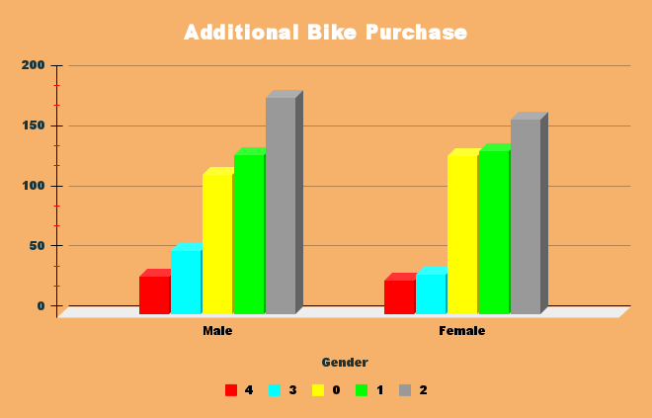

Dashboard
Car Ownership Insights Dashboard

Car Purchases Analyzed by Average Income and Gender | Car Ownership Relative to Distance Traveled

Income and Gender-Based Car Ownership
Distance-Based Car Ownership

Age-Based Car Purchase Trends | Car Ownership by Marital Status

Age-Based Car Ownership
Car Ownership by Marital Status

Regional Distribution of Car Purchases | Car Ownership Patterns Across Income Levels

Regional Car Ownership
Car Purchases by Income Level

Car Ownership Trends by Education Level | Trends in Additional Car Purchases

Car Purchases by Education Level

